Specifications
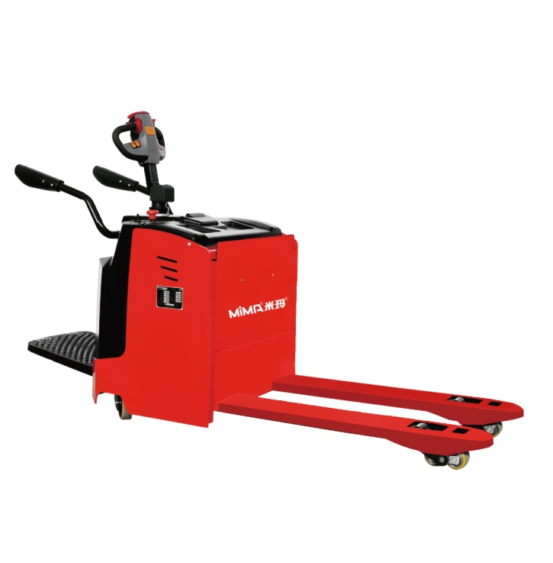
 |  |  |  | Product picture

Electric pallet truck ME40
Characteristics
1.1 | Manufacturer |  | MiMA
1.2 | Model |  | ME40
1.3 | Power type |  | Battery
1.4 | Operation |  | Stand on
1.5 | Load capacity | Q(kg) | 4000
1.6 | Load center distance | C(mm) | 600
1.7 | Front overhang | x(mm) | 930/855
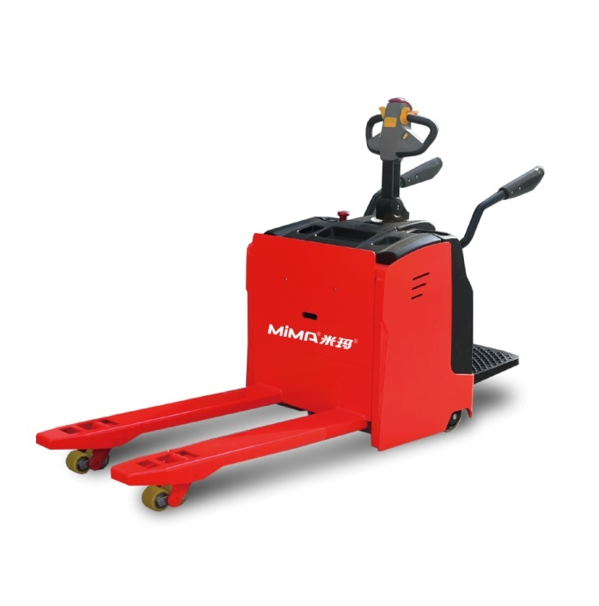
1.8 | Wheelbase | y(mm) | 1460/1385
Weights
2.1 | Service weight(incl. battery) | kg | 950
2.2 | Axle loading, laden rear/front | kg | 1600/3300
2.3 | Axle loading, unladen rear/front | kg | 720/180
Wheels
3.1 | Tyre type,front/rear |  | Polyurethane
3.2 | Tyre size, front | mm | Φ80×110
3.3 | Tyre size, rear | mm | Φ230×75
3.4 | Caster wheel | mm | Φ150×50
3.5 | Wheels,number front/rear (X=driven)+caster wheel |  | 4/1X+2
3.6 | Track width, rear | b10mm) | 630
3.7 | Track width, front | b11(mm) | 480
Dimensions
4.1 | Overall height | h1(mm) | 1420
4.2 | Fork lift height | h2(mm) | 115
4.3 | Lift height |  | 200
4.4 | Ground clearance,Min fork surface | h3(mm) | 85
4.5 | Pedal height | h4(mm) | 180 | 2D view
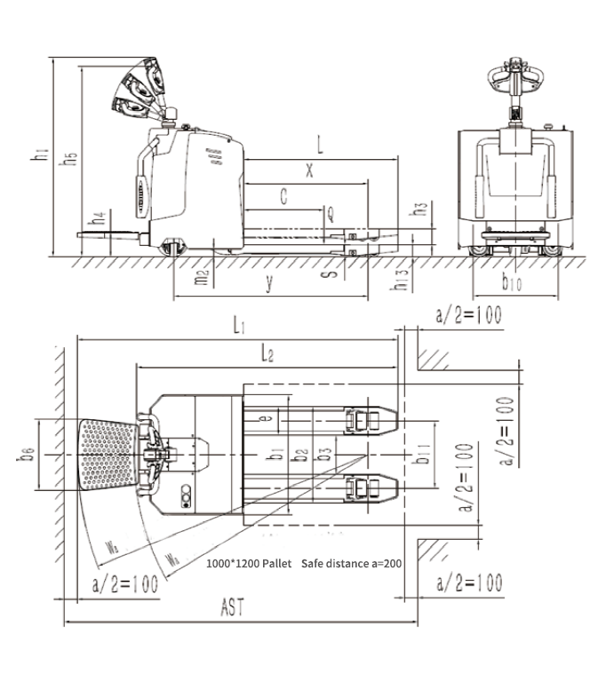
4.6 | Handle Height | h5(mm) | 1090～1360
4.7 | Overall length,pedal off /on | l1(mm) | 1945/2390
4.8 | Overall width | b1(mm) | 850
4.9 | Fork outside spread | b2(mm) | 570
4.10 | Fork dimensions | l/e/s(mm) | 1150/205/75
4.11 | Ground clearance, body | m2(mm) | 55
4.12 | Aisle width with pallet 1000*1200mm, C=500mm (with pedel folded) | Ast(mm) | 2150/2590
4.13 | Aisle width with pallet 800*1200mm, C=600mm (with pedel folded) | Ast(mm) | 2200/2640
4.14 | Turning radius（pedal folded/unfolded） | Wa(mm) | 1750/2170
Performance
5.1 | Travelling speed, laden/unladen | km/h | 5/6
5.2 | Lift speed, laden/unladen | mm/s | 23/33
5.3 | Lowering speed, laden/unladen | mm/s | 25/18
5.4 | Gradeability, laden/unladen (S2-5min) | %(tanθ ) | 5/8
5.5 | Service brake |  | Electromagnetic
Drive
6.1 | Drive motor, rating S2=60 | kw | 2.3（AC)
6.2 | Lift motor, rating S3=15% | kw | 2.2（DC)
6.3 | Battery voltage/nominal capacity | V/Ah | BATTERY
6.5 | Steering System |  | EPS
Others
7.1 | Battery replacement method |  | Hoisting

